Sheet 1
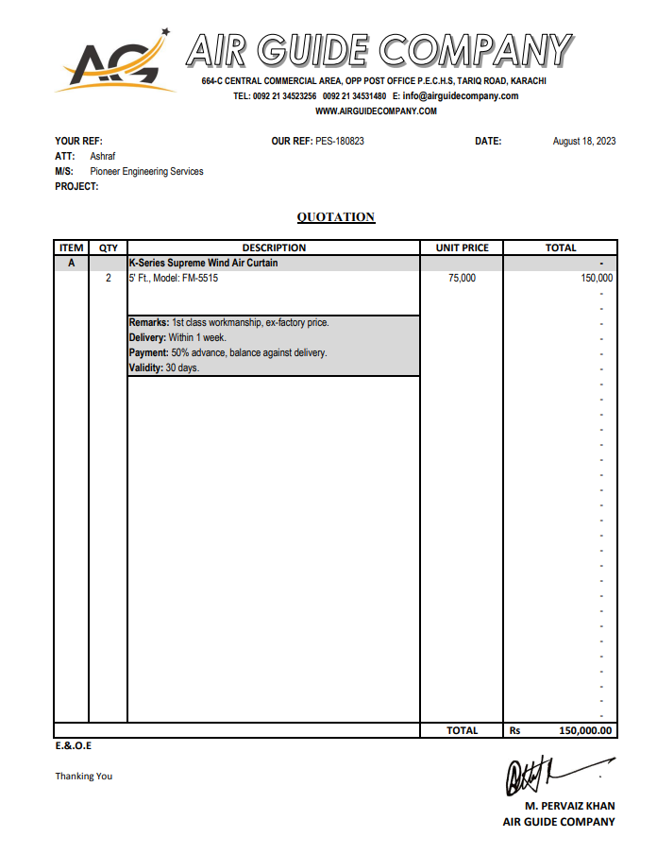
Dated: | 18-Aug-23
Project: | TRI-FIT COM-1
Contractor: M/s Pioneer Engineering Services | National Engineering Services

Rate Analysis for Air Curtain - Main Entrance & Trifuel
S. # | Description | Unit | Quantity |  |  | Rate | Amount | Gross
 |  |  | Actual | Waste | Total
A MATERIAL.
1 | Supply of air curtain 5 Feet Length. | No | 2.00 |  | 2.00 | 75,000 | 150,000
 | Total. |  |  |  |  |  | 150,000 | 150,000
B LABOUR.
S. # | Description | Unit | Quantity |  |  | Rate | Amount | Gross
 |  |  | Actual | Waste | Total
2 | Installation of air curtain with hanging and supports. | No | 2.00 |  | 1.00 | 15,000 | 15,000

 | Total. |  |  |  |  |  | 15,000 | 165,000
C OTHER
S. # | Description | Unit | Quantity |  |  | Rate | Amount | Gross
 |  |  | Actual | Waste | Total

 | Total. |  |  |  |  |  |  | 165,000
 | Total Rs. |  |  |  |  |  |  | 165,000
Sub-Contractor Margin: |  |  | 10% |  |  |  |  | 16,500
Total Price |  |  |  |  |  |  |  | 181,500

